Application 4
Lecture 4 Supplement: Application 4

 | Er | Sigma | Weights
A1 | 12% | 25% | 50%
A2 | 9% | 18% | 50% | =1-D4
F | 4%

Covariance | 3%

Find the Optimal risky portfolio using Solver
Step 1: Set up
Start with a portfolio that has 50% weight in A1 and 50% weight in A2

Then calculate portfolio stats:
Er(S) | 10.50% | =SUMPRODUCT(B4:B5,D4:D5)
Var(S) | 0.038725 | =(D4^2)*(C4^2) + (D5^2)*(C5^2) + 2*D4*D5*B8
Sigma(S) | 0.19678668654 | =SQRT(B16)

Finally, calculate the portfolio's Sharpe ratio
Sharpe ratio | 0.330306898 | =(B15 - B6)/B17

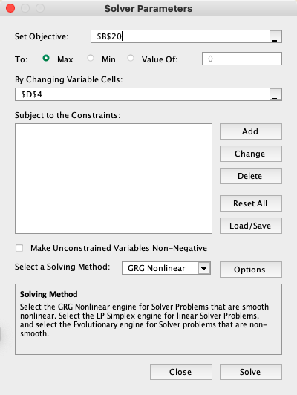
Step 2: Ask Solver to maximize the Sharpe ratio in cell B20 by changing the weight of the portfolio in cell D4
Here's a snapshot of the Solver pop-up window:
You click Solve and Solver will update the portfolio weight in cell D4 to the solution it found

To summarize, the weights of the ORP portfolio are:
The weights of the ORP are:
Asset | Weight
A1 | 60%
A2 | 40%

Application 4 Better
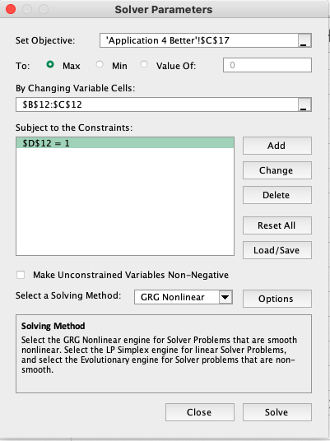
 | A1 | A2 | T-Bills | A
Er | 12.00% | 9.00% | 4.00% | 1.8
Sigma (StDv) | 25.00% | 18.00% | 0.00%
Var | 6.25% | 3.24% | 0.00% |  | =B3^2
Cov | 3.00%

Cov Matrix | A1 | A2
A1 | 6.25% | 3.00%
A2 | 3.00% | 3.24%
Q1
Optimal Risky portfolio (ORP): T | A1 | A2 | Check adds up to 1?
Weights | 0.60099132894 | 0.39900867106 | 1 |  | =SUM(B12:C12)
 | Formulas | Matrices
ER(T) | 0.10802973987 | 0.10802973987 |  |  | =SUMPRODUCT(B12:C12,B2:C2)
Var(T) | 0.042120792774 | 0.042120792774 |  |  | =MMULT(B2:C2,TRANSPOSE(B12:C12))
Sigma(T) | 0.20523350792 | 0.20523350792 |  |  | =B12^2*B4 + C12^2*C4 + 2*B12*C12*B5
SR(T) |  | 0.33147481889 |  |  | =MMULT(B12:C12,MMULT(B8:C9,TRANSPOSE(B12:C12)))
 |  |  |  |  | =SQRT(C15)
Solver: |  |  |  |  | =(C14-D2)/C16
Optimal Risky portfolio (ORP): T | A1 | A2
Weights | 0.60099132894 | 0.39900867106

Q2
Portfolio: P | T-Bills | ORP T
Weights | 30% | 70% |  |  | =1-C25
ER(P) | 8.76% |  |  |  | =B25*D2+C25*C14
Sigma(P) | 0.14366345555 |  |  |  | =C25*C16
SR(P) | 0.33147481889 |  |  |  | =(B26-D2)/B27

Q3
Portfolio: Complete C | T-Bills | ORP T
Weights | 10% | 90% |  |  | =(C14-D2)/(E2*C16^2)
 |  |  | A1 | A2
Q4 |  |  | 0.60099132894 | 0.39900867106 | =B21
Final weights of C | 10% |  | 0.53925971101 | 0.35802396855 | =$C$32*D34

 |  |  |  | Check! | 100%

Application 5
 | A1 | A2 | A3 | T-Bills | A
Er | 8.00% | 9.00% | 11.00% | 4.00% | 15
Sigma (StDv) | 17.00% | 19.00% | 18.00% | 0.00%
Var | 2.89% | 3.61% | 3.24% | 0.00% |  | =B3^2

Cov Matrix | A1 | A2 | A3
A1 | 2.89% | 1.70% | -1.30%
A2 | 1.70% | 3.61% | 1.50%
A3 | -1.30% | 1.50% | 3.24%

Q1
Portfolio: Minimum variance M | A1 | A2 | A3 | Check!
Weights | 0.82845577099 | -0.56802083153 | 0.73956506054 | 1 |  | =SUM(B14:D14)
Var(M) | 0.00467167075 |  |  |  |  | =MMULT(B14:D14,MMULT(B8:D10,TRANSPOSE(B14:D14)))
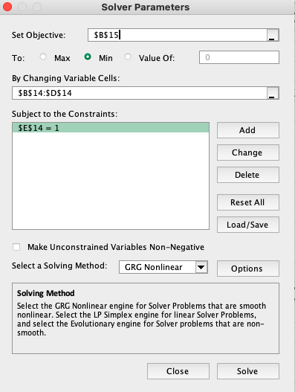
Solver:
Portfolio: Minimum variance M | A1 | A2 | A3
Weights | 0.82845577099 | -0.56802083153 | 0.73956506054

Q2
ORP: T | A1 | A2 | A3 | Check!
Weights | 0.81309744013 | -0.59205997648 | 0.77896253635 | 1
ER(T) | 0.097448276326 |  |  |  |  | =MMULT(B2:D2,TRANSPOSE(B23:D23))
Var(T) | 0.0047495114786 |  |  |  |  | =MMULT(B23:D23,MMULT(B8:D10,TRANSPOSE(B23:D23)))
Sigma(T) | 0.068916699563 |  |  |  |  | =SQRT(B25)
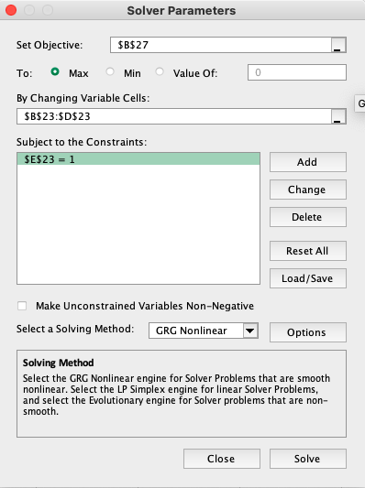
SR(T) | 0.83359006874 |  |  |  |  | =(B24-E2)/B26

Solver:
ORP: T | A1 | A2 | A3
Weights | 0.81309744013 | -0.59205997648 | 0.77896253635

Q3
Portfolio: P | T-Bills | ORP T
Weights | -10% | 110% |  |  |  | =1-C35
ER(P) | 10.32% |  |  |  |  | =B35*E2+C35*B24
Sigma(P) | 0.075808369519 |  |  |  |  | =C35*B26
SR(P) | 0.83359006874 |  |  |  |  | =(B36-E2)/B37

Q4
Portfolio: Complete C | T-Bills | ORP T
Weights | 19% | 81% |  |  |  | =(B24 - E2)/(F2*B26^2)
 |  |  | A1 | A2 | A3
Q5 |  |  | 0.81309744013 | -0.59205997648 | 0.77896253635 | =B31
Final weights for C | 19% |  | 0.65566106649 | -0.47742208552 | 0.62813554948 | =$C$42*D44

 |  |  |  |  | Check | 100%

